Summary
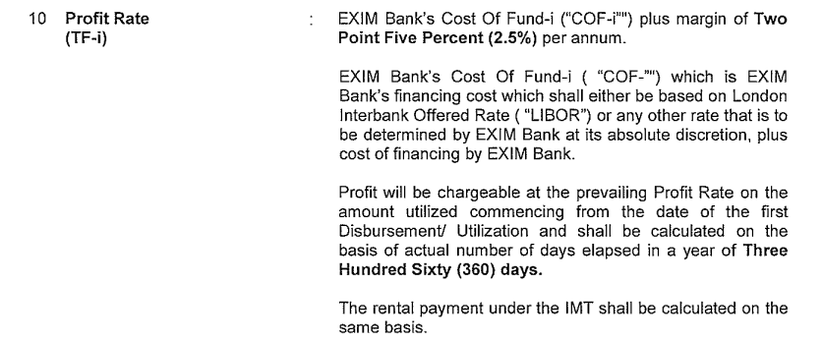
Export-Import Bank of Malaysie Berhad
Individual Assessment Template

Officer in charge | NBZ
Borrower | Eaglexpress Air Charter Sdn Bhd
Sector | Transport, Storage and Communication
Reporting period | 2024-11-30
Date of review | 2024-12-05 |  |  |  |  | Forex : | 4.4405 | USD

Facility | Date turn NPL | NPL more than 7 years | MIA | OEIR | Gross outstanding | PIS | Net outstanding
 |  |  |  |  | USD | USD | USD |  |  | Principal (RM) | PIS (RM) | O/C (RM) | Total
TF-i (Tawarruq) | 2015-06-22 | 9.4 | 86 | 9.2400% | 2,156,349 | 501,247 | 1,655,103 |  |  | 7,349,483.00 | 2,225,785.72 | - | 9,575,268.72
 |  | 125 |  |  |  |  | -
 |  | 125 |  |  |  |  | -
 |  | 125 |  |  |  |  | -
 |  | 125 |  |  |  |  | -
 |  | 125 |  |  |  |  | -
TOTAL |  |  |  |  | 2,156,349 | 501,247 | 1,655,103

Potential scenarios | Recovery mode |  |  | Discounted cash flow | Weightage | Weighted discounted cash flow
 |  |  |  | USD |  | USD
 | Cash Collateral/ DSRA/ FSRA |  |  | - |  | -
Scenario 1 | Collateral Disposal |  |  | - | 100% | -
Scenario 2 | Impaired > 7 years |  |  | - | 0% | 0
TOTAL |  |  |  | - | 100% | - |  | Check | 0.00%

Expected credit loss as at reporting period |  | USD | 1,655,103

Expected credit loss as at previous reporting period |  | USD | 1,660,883 | as at 31/10/2024

Charge/(write back) for the reporting period |  | USD | (5,780)

Prepared by: | -Duly Signed- |  | Reviewed by: | -Duly Signed- |  | Verified by: | -Duly Signed-

Name: | NUR SYAHIRA 'ATIQAH AHMAD FAISAL |  | Name: | NORISAM ZAINAL |  | Name: | HISHAM BAHARI
Designation: | AM |  | Designation: | SM |  | Designation: | HEAD, ARRD
Date: | 2024-12-04 |  | Date: | 2024-12-04 |  | Date: | 2024-12-04

OEIR/ Profit Rate Computation

Date: | 2024-11-30

USD NT 1M | 6.7400%
Spread/Fixed | 2.5000%
 | 9.2400%

